SATEC Meter Schedule Template
kWh Consumed Rate A (peak) | KWh Consumed Rate C (Off Peak) | KWh Consumed Rate B (Weekday Shoulder | KWh Consumed Rate D (Weekend Shoulder) | Reading notes
...
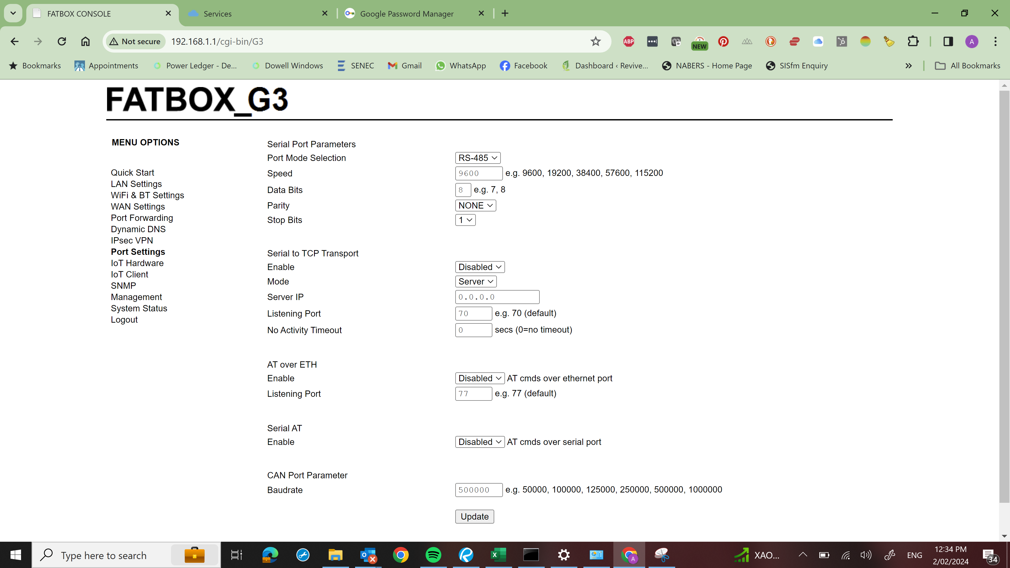
...
18397 | 31389 |  |  | Need to check the registers in manual
...
 |  |  |  | Missed reading photos on the initial cutover as meters were not removed on 21/7/2021.
 |  |  |  | Missed reading photos on the initial cutover as meters were not removed on 21/7/2021.
 |  |  |  | Missed reading photos on the initial cutover as meters were not removed on 21/7/2021.
 |  |  |  | Missed reading photos on the initial cutover as meters were not removed on 21/7/2021.
 |  |  |  | Missed reading photos on the initial cutover as meters were not removed on 21/7/2021.
 |  |  |  | Missed reading photos on the initial cutover as meters were not removed on 21/7/2021.
 |  |  |  | Missed reading photos on the initial cutover as meters were not removed on 21/7/2021.
 |  |  |  | Missed reading photos on the initial cutover as meters were not removed on 21/7/2021.
 |  |  |  | Missed reading photos on the initial cutover as meters were not removed on 21/7/2021.
 |  |  |  | Missed reading photos on the initial cutover as meters were not removed on 21/7/2021.
 |  |  |  | Missed reading photos on the initial cutover as meters were not removed on 21/7/2021.
...
8184 | 9451 | 6504 | 5848 | Need to check the registers in manual
...

